Poll
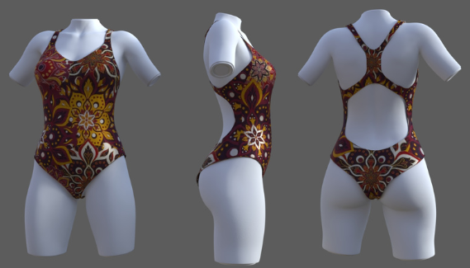
Patron Name | "A" | "B" | Pledge | Patron Name | "A" | "B" | Pledge | Patron Name | "A" | "B" | Pledge | Patron Name | "A" | "B" | Pledge
Ilmithir | 1 | 0 | 6 | Ilmithir | 1 | 0 | 6 | Ilmithir | 1 | 0 | 6 | Valertius | 1 | 0 | 1
Ffr0v | 0 | 1 | 6 | Dave pe | 0 | 1 | 11 | Dave pe | 1 | 0 | 11 | Ilmithir | 1 | 0 | 6
Dave pe | 1 | 0 | 11 | Juan C Flores-Canales | 0 | 1 | 11 | Juan C Flores-Canales | 1 | 0 | 11 | Dave pe | 0 | 1 | 11
Juan C Flores-Canales | 1 | 0 | 11 | Johno | 1 | 0 | 20 | Johno | 1 | 0 | 20 | Juan C Flores-Canales | 1 | 0 | 11
Johno | 1 | 0 | 20 | Skyler Hess | 1 | 0 | 6 | Skyler Hess | 0 | 1 | 6 | Johno | 1 | 0 | 20
Skyler Hess | 0 | 1 | 6 | Michael Wilz | 0 | 1 | 6 | Tez | 1 | 0 | 6 | Skyler Hess | 1 | 0 | 6
Michael Wilz | 1 | 0 | 6 | Tez | 0 | 1 | 6 | Saphfire | 1 | 0 | 11 | Michael Wilz | 1 | 0 | 6
Tez | 1 | 0 | 6 | Gordov | 1 | 0 | 6 | Gordov | 1 | 0 | 6 | Tez | 1 | 0 | 6
Gordov | 1 | 0 | 6 | Zakaria-45 | 0 | 1 | 20 | Zakaria-45 | 1 | 0 | 20 | Saphfire | 0 | 1 | 11
Zakaria-45 | 1 | 0 | 20 | Mind | 0 | 1 | 11 | Mind | 1 | 0 | 11 | Gordov | 0 | 1 | 6
Mind | 1 | 0 | 11 | Brandon2494 | 0 | 1 | 6 | Brandon2494 | 1 | 0 | 6 | Zakaria-45 | 0 | 1 | 20
Jaxx | 1 | 0 | 6 | Xioely | 0 | 1 | 11 | Steven | 0 | 1 | 6 | Mind | 1 | 0 | 11
Brandon2494 | 1 | 0 | 6 | Steven | 1 | 0 | 6 | Joe | 1 | 0 | 11 | Jaxx | 0 | 1 | 6
Locklie | 1 | 0 | 20 | Joe | 0 | 1 | 11 | Charles Medina | 1 | 0 | 11 | Brandon2494 | 0 | 1 | 6
BUOKKTO | 1 | 0 | 11 | Charles Medina | 0 | 1 | 11 | Grxbba | 1 | 0 | 1 | Locklie | 1 | 0 | 20
Joe | 1 | 0 | 11 | Grxbba | 1 | 0 | 1 |  |  |  |  | Steven | 0 | 1 | 6
Charles Medina | 1 | 0 | 11 |  |  |  |  |  |  |  |  | SUGAR816 | 0 | 1 | 6
Grxbba | 0 | 1 | 1 |  |  |  |  |  |  |  |  | Joe | 0 | 1 | 11
 |  |  |  |  |  |  |  |  |  |  |  | Charles Medina | 1 | 0 | 11
NORMAL VOTE |  |  |  | NORMAL VOTE |  |  |  | NORMAL VOTE |  |  |  | Grxbba | 0 | 1 | 1
Total | 15 | 3 | 18 | Total | 6 | 10 | 16 | Total | 13 | 2 | 15

 | 83.33% | 16.67% |  |  | 37.50% | 62.50% |  |  | 86.67% | 13.33%
 |  |  |  |  |  |  |  |  |  |  |  | NORMAL VOTE
MULTIPLIED by Members PLEDGE |  |  |  | MULTIPLIED by Members PLEDGE |  |  |  | MULTIPLIED by Members PLEDGE |  |  |  | Total | 10 | 10 | 20
Total | 162 | 13 | 175 | Total | 45 | 104 | 149 | Total | 131 | 12 | 143
 |  |  |  |  |  |  |  |  |  |  |  |  | 50.00% | 50.00%
 | 92.57% | 7.43% |  |  | 30.20% | 69.80% |  |  | 91.61% | 8.39%
 |  |  |  |  |  |  |  |  |  |  |  | MULTIPLIED by Members PLEDGE
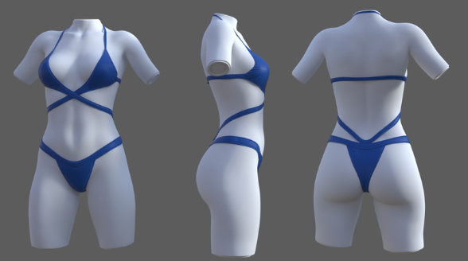
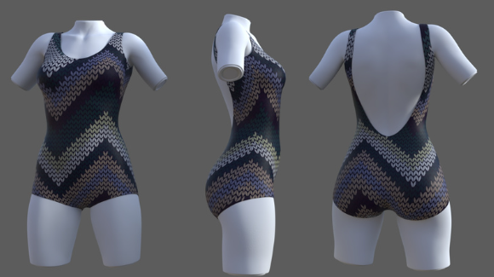
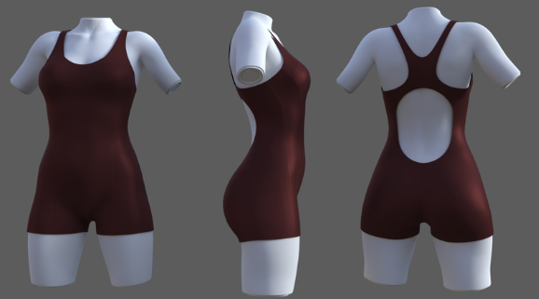
 |  |  |  |  |  |  |  |  |  |  |  | Total | 98 | 84 | 182

 |  |  |  |  |  |  |  |  |  |  |  |  | 53.85% | 46.15%

